Title
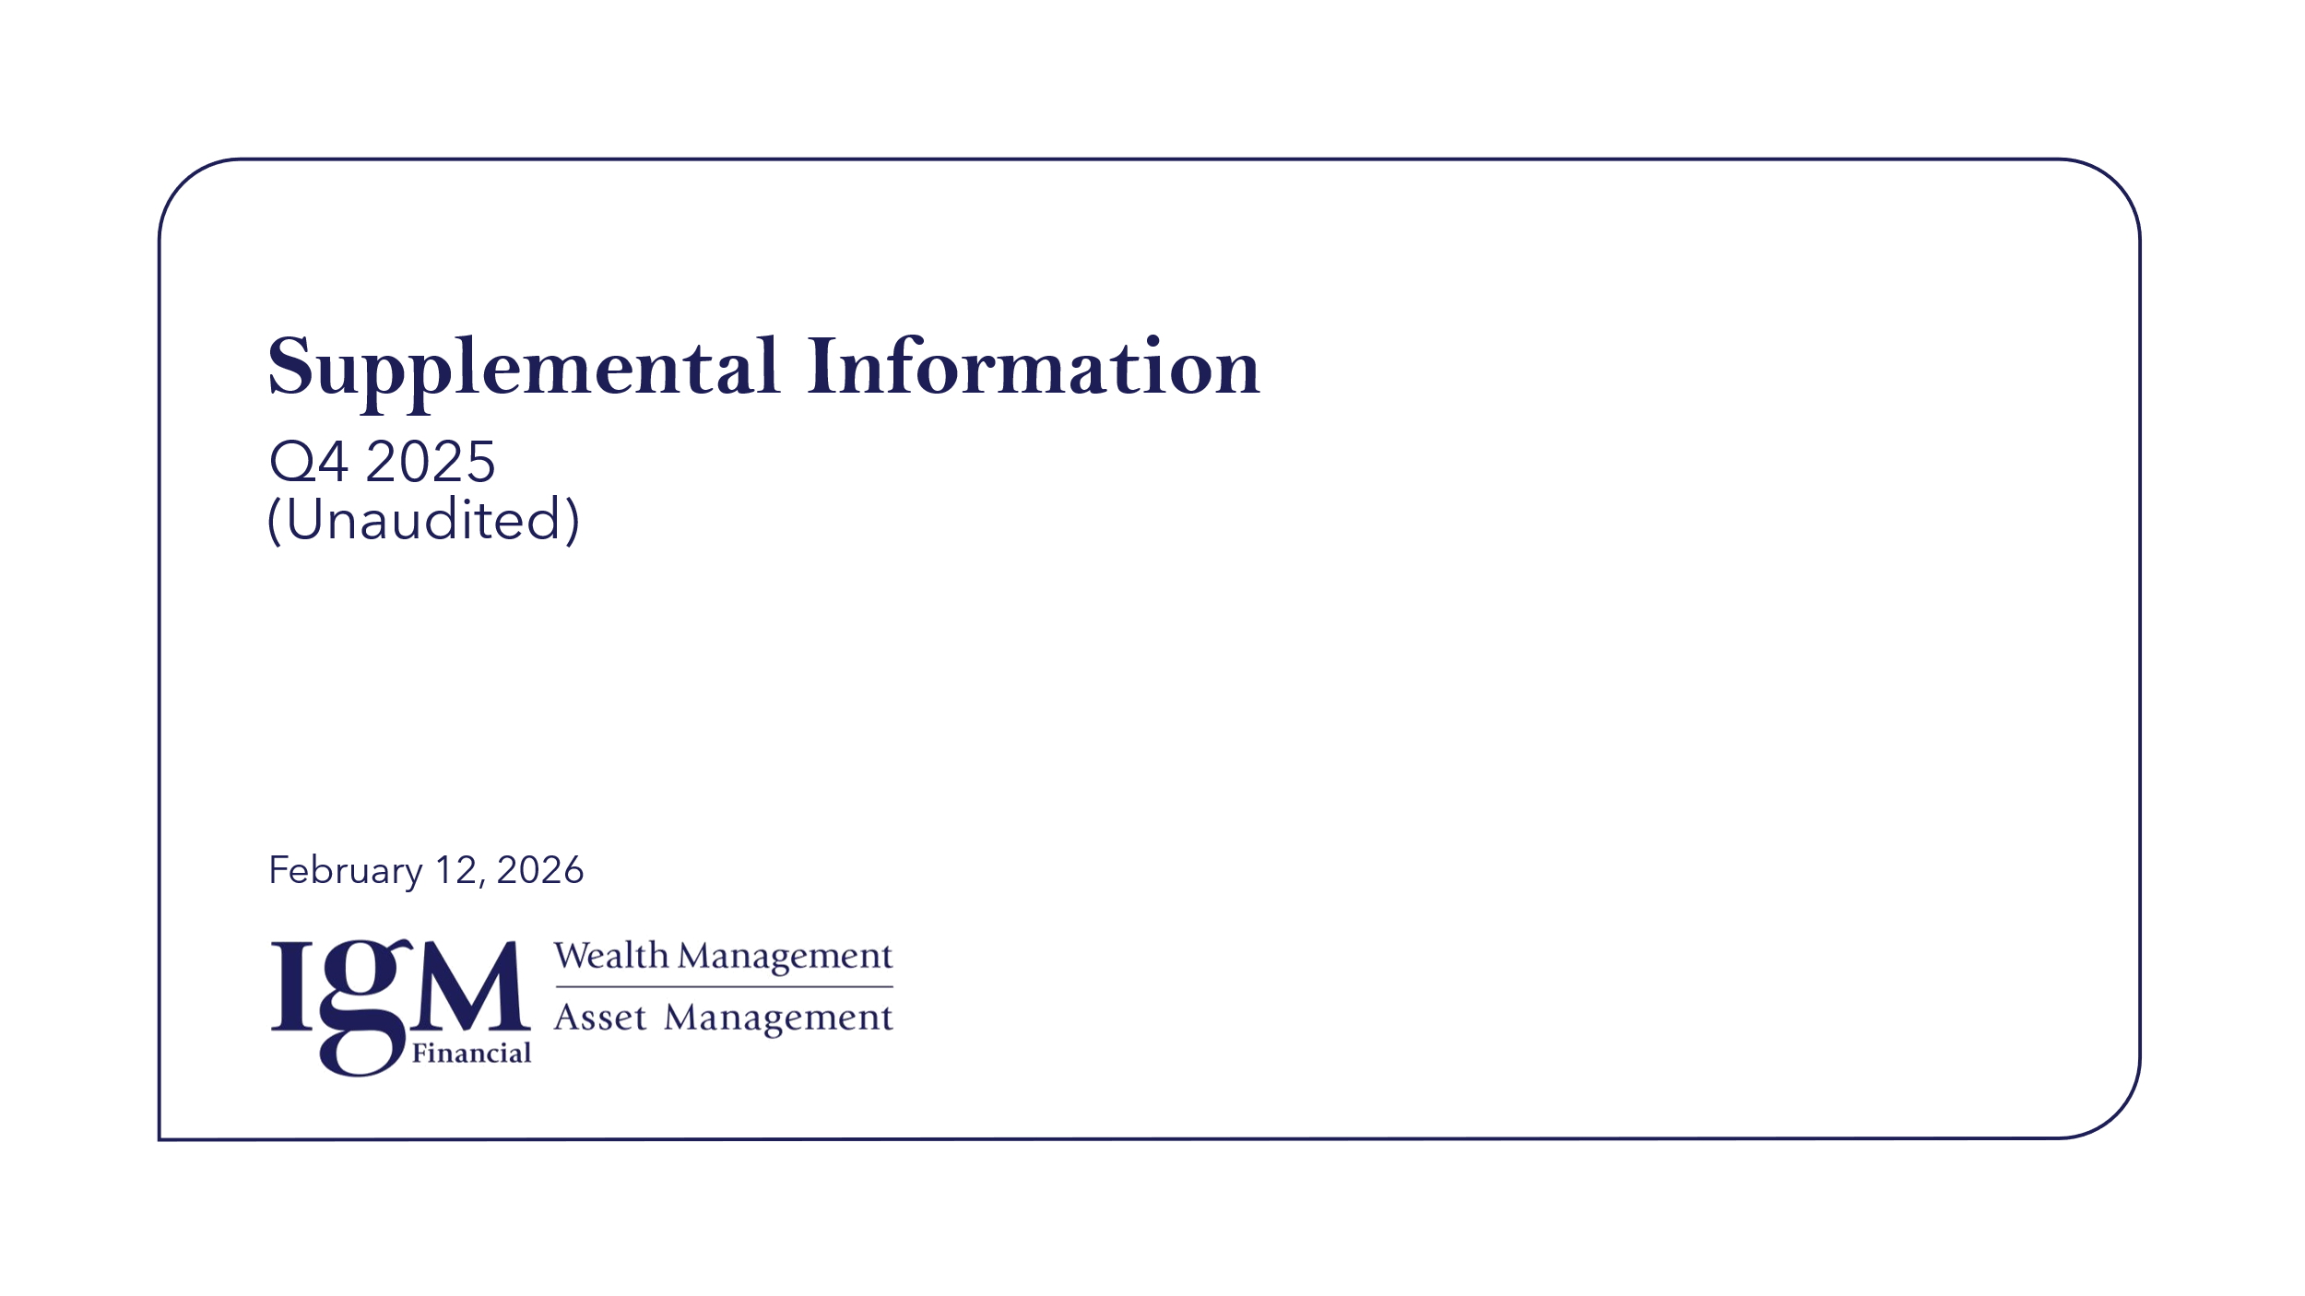

Notes to Users
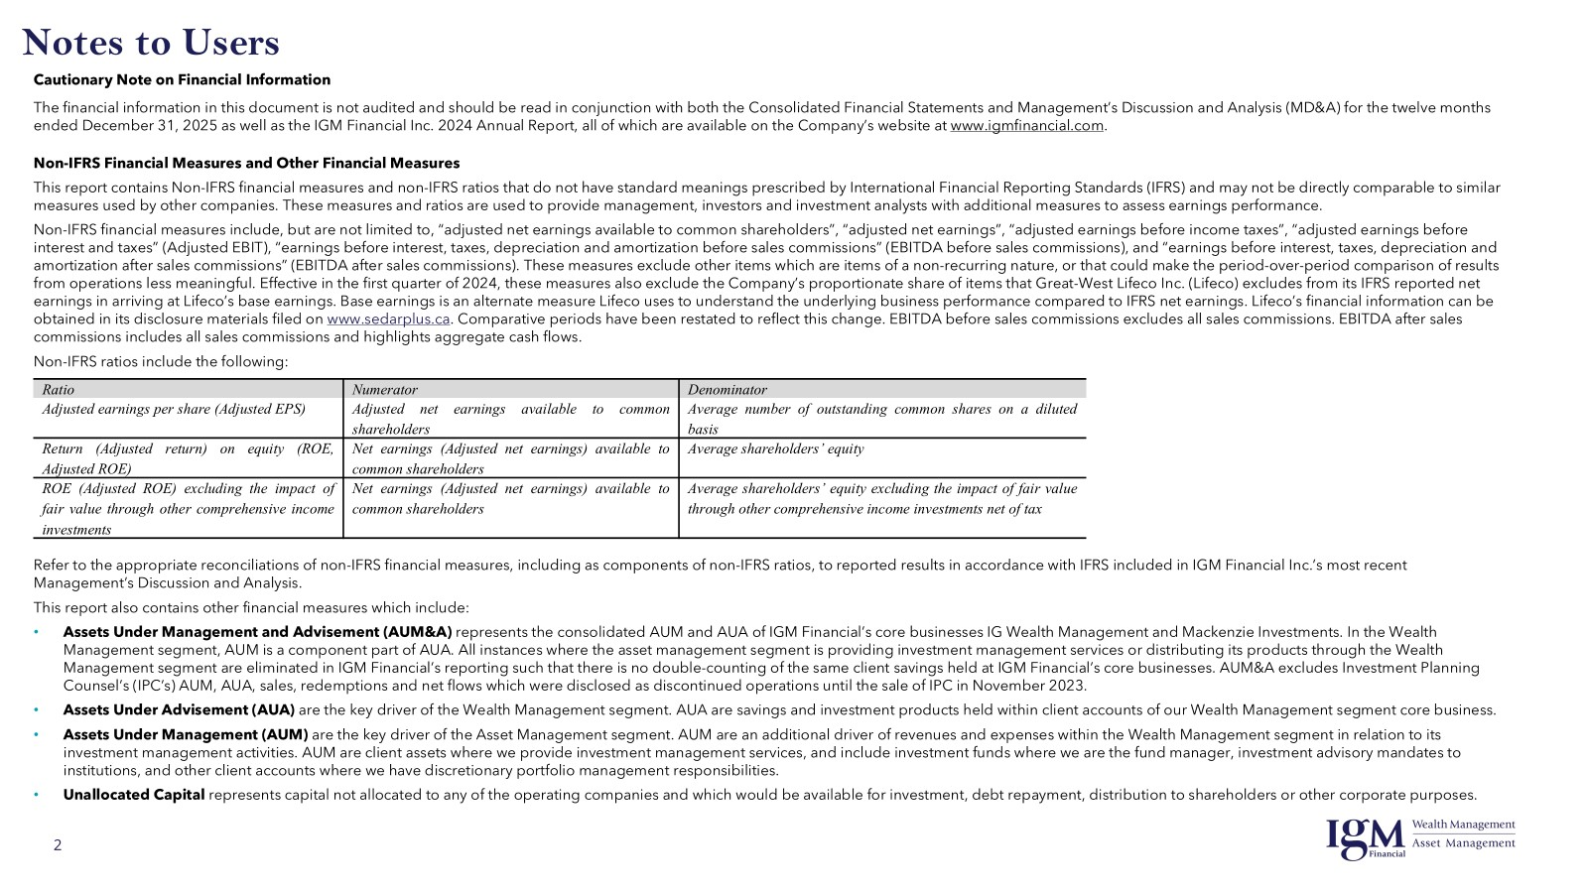

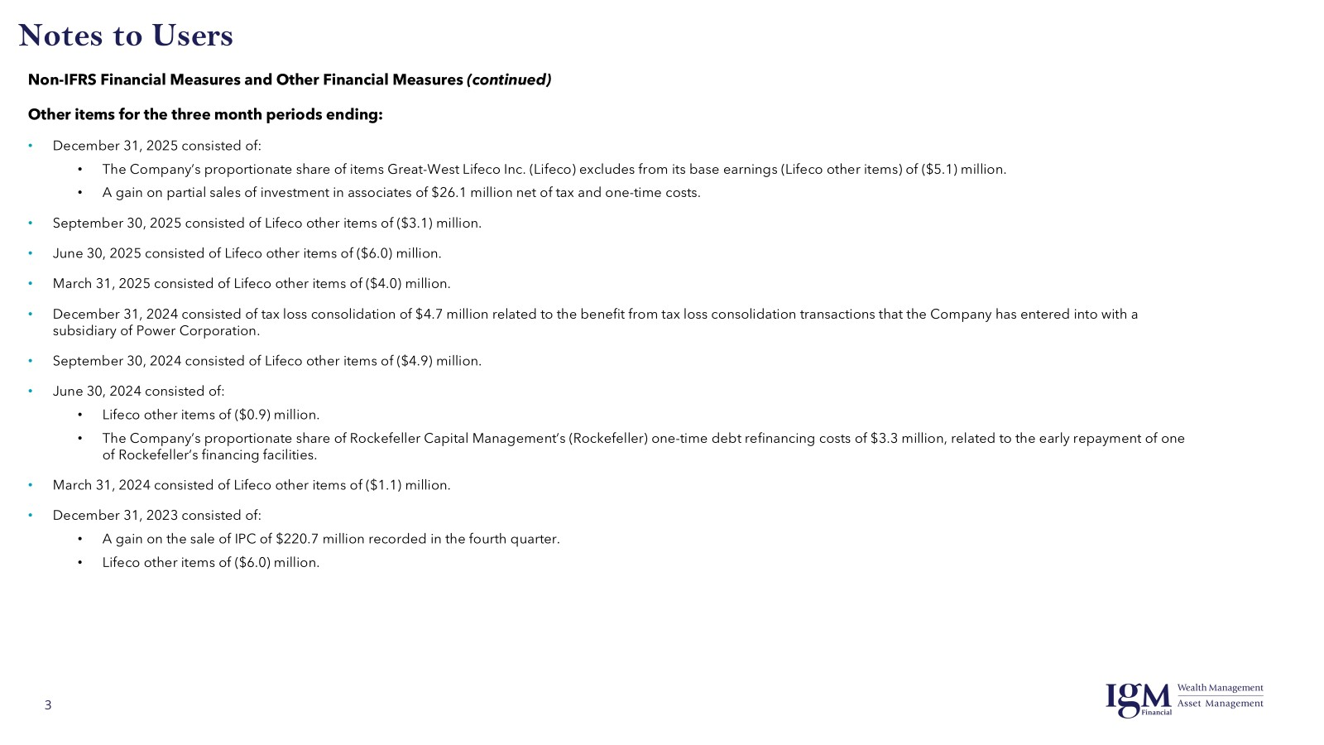

IGM Earnings 4
Consolidated Statements of Earnings and Other Information
All figures 000’s, unless otherwise noted
 |  | Year | 2023 | 2024 | 2024 | 2024 | 2024 | 2025 | 2025 | 2025 | 2025
 |  | Quarter | 4 | 1 | 2 | 3 | 4 | 1 | 2 | 3 | 4
Consolidated Statements of Earnings
 | Revenues (1)
 |  | Wealth management | 550,020 | 582,565 | 590,046 | 616,037 | 647,454 | 639,484 | 649,456 | 696,756 | 731,727

 |  | Asset management | 234,283 | 241,866 | 245,846 | 253,333 | 261,637 | 257,932 | 253,816 | 270,686 | 278,645
 |  | Dealer compensation expense | (76,710) | (80,092) | (81,072) | (82,778) | (85,226) | (85,092) | (82,309) | (86,192) | (88,279)
 |  | Net asset management | 157,573 | 161,774 | 164,774 | 170,555 | 176,411 | 172,840 | 171,507 | 184,494 | 190,366

 |  | Net investment income and other | 10,579 | 15,627 | 9,970 | 10,106 | 17,338 | 7,732 | 11,665 | 13,390 | 9,546
 |  | Proportionate share of associates' earnings | 56,557 | 52,807 | 55,700 | 61,325 | 53,107 | 59,728 | 66,069 | 80,339 | 76,198
 |  |  | 774,729 | 812,773 | 820,490 | 858,023 | 894,310 | 879,784 | 898,697 | 974,979 | 1,007,837

 | Expenses (1)
 |  | Advisory and business development | 253,323 | 265,627 | 278,527 | 278,250 | 298,326 | 301,255 | 304,796 | 309,139 | 337,285
 |  | Operations and support | 208,808 | 203,828 | 205,963 | 211,405 | 216,460 | 215,805 | 213,822 | 221,106 | 222,700
 |  | Sub-advisory | 16,687 | 17,835 | 19,069 | 19,978 | 21,177 | 21,724 | 21,684 | 23,821 | 24,508
 |  |  | 478,818 | 487,290 | 503,559 | 509,633 | 535,963 | 538,784 | 540,302 | 554,066 | 584,493

 | Adjusted earnings before interest and taxes (2) |  | 295,911 | 325,483 | 316,931 | 348,390 | 358,347 | 341,000 | 358,395 | 420,913 | 423,344

 |  | Interest | 32,537 | 32,250 | 32,228 | 32,438 | 32,463 | 31,974 | 32,260 | 32,399 | 32,537

 | Adjusted earnings before income taxes (2) |  | 263,374 | 293,233 | 284,703 | 315,952 | 325,884 | 309,026 | 326,135 | 388,514 | 390,807
 | Income taxes |  | 55,868 | 67,318 | 63,269 | 71,229 | 75,056 | 69,600 | 71,578 | 87,027 | 87,218
 | Adjusted net earnings - continuing operations(2) |  | 207,506 | 225,915 | 221,434 | 244,723 | 250,828 | 239,426 | 254,557 | 301,487 | 303,589
 | Net earnings - discontinued operations (3) |  | (979) | - | - | - | - | - | - | - | -
 | Adjusted net earnings (2) |  | 206,527 | 225,915 | 221,434 | 244,723 | 250,828 | 239,426 | 254,557 | 301,487 | 303,589

 | Non-controlling interest |  | (1,719) | (1,423) | (1,062) | (672) | (768) | (1,664) | (1,871) | (299) | (2,199)
 | Adjusted net earnings available to common shareholders (2) |  | 204,808 | 224,492 | 220,372 | 244,051 | 250,060 | 237,762 | 252,686 | 301,188 | 301,390

 | Other items (4) |  | 214,789 | (1,107) | (4,185) | (4,870) | 4,701 | (3,985) | (5,977) | (3,099) | 21,004

 | Net earnings available to common shareholders |  | 419,597 | 223,385 | 216,187 | 239,181 | 254,761 | 233,777 | 246,709 | 298,089 | 322,394

 | Average number of common shares
 |  | Basic | 238,132 | 238,062 | 237,232 | 236,553 | 237,303 | 237,269 | 236,435 | 236,199 | 236,024
 |  | Diluted | 238,156 | 238,112 | 237,397 | 236,931 | 238,304 | 238,233 | 237,236 | 237,169 | 237,550

 | Adjusted net earnings per common share (2) (in cents)
 |  | Basic | 86 | 94 | 93 | 103 | 105 | 100 | 107 | 128 | 128
 |  | Diluted | 86 | 94 | 93 | 103 | 105 | 100 | 107 | 127 | 127

 | Net earnings per common share (in cents)
 |  | Basic | 176 | 94 | 91 | 101 | 107 | 99 | 104 | 126 | 137
 |  | Diluted | 176 | 94 | 91 | 101 | 107 | 98 | 104 | 126 | 136

 | Dividends per common share (in cents) |  | 56.25 | 56.25 | 56.25 | 56.25 | 56.25 | 56.25 | 56.25 | 56.25 | 56.25

Common shares outstanding

 | Opening balance |  | 238,129 | 238,132 | 237,797 | 236,770 | 236,630 | 237,879 | 236,813 | 236,055 | 236,568
 | Issued under Stock Option Plan |  | 3 | 5 | 12 | 554 | 2,264 | 689 | 46 | 1,574 | 825
 | Purchased for cancellation |  | - | (340) | (1,039) | (694) | (1,015) | (1,755) | (804) | (1,061) | (2,255)
 | Ending balance |  | 238,132 | 237,797 | 236,770 | 236,630 | 237,879 | 236,813 | 236,055 | 236,568 | 235,138

Stock options

 | Outstanding |  | 10,902 | 10,875 | 10,858 | 10,300 | 8,026 | 7,874 | 7,827 | 6,253 | 5,428
 | Weighted average strike price ($) |  | 39.74 | 38.73 | 38.73 | 38.85 | 38.68 | 39.03 | 39.04 | 39.35 | 39.54

Revenues and expenses are net of intersegment eliminations
A non-IFRS financial measure – see Non-IFRS Financial Measures and Other Financial Measures section of this document.
On November 30, 2023, the Company completed the sale of 100% of the common shares of IPC for proceeds of $575 million plus adjustments. In accordance with IFRS 5 – Non-Current Assets Held for Sale and Discontinued Operations, the operating results and cash flows of IPC have been classified as discontinued operations within the Wealth Management segment.
Please see slide 3 for details of Other items.

IGM EBIT 5
Consolidated EBIT and EBITDA
All figures 000’s
 |  | Year | 2023 | 2024 | 2024 | 2024 | 2024 | 2025 | 2025 | 2025 | 2025
 |  | Quarter | 4 | 1 | 2 | 3 | 4 | 1 | 2 | 3 | 4
Adjusted earnings before interest and taxes (1)

 | Wealth Management |  | 163,245 | 180,218 | 174,609 | 196,530 | 208,234 | 196,654 | 203,664 | 241,317 | 265,764
 | Asset Management |  | 105,092 | 117,892 | 114,503 | 123,123 | 119,186 | 116,401 | 123,650 | 146,090 | 120,979
 | Corporate |  | 27,713 | 27,373 | 27,819 | 28,737 | 30,927 | 27,945 | 31,081 | 33,506 | 36,601
 | Intersegment Eliminations |  | (139) | - | - | - | - | - | - | - | -
 |  |  | 295,911 | 325,483 | 316,931 | 348,390 | 358,347 | 341,000 | 358,395 | 420,913 | 423,344

Earnings before interest, taxes,
depreciation and amortization (EBITDA)
 | Adjusted earnings before interest and taxes (1) |  | 295,911 | 325,483 | 316,931 | 348,390 | 358,347 | 341,000 | 358,395 | 420,913 | 423,344
 | Earnings before interest and taxes - discontinued operations (2) |  | 4,059 | - | - | - | - | - | - | - | -
 | Adjusted earnings before interest and taxes - continuing and discontinued operations |  | 299,970 | 325,483 | 316,931 | 348,390 | 358,347 | 341,000 | 358,395 | 420,913 | 423,344
 |  | Amortization of capitalized sales commissions | 25,179 | 25,458 | 26,070 | 26,682 | 27,242 | 27,811 | 28,359 | 28,977 | 29,705
 |  | Amortization of capital, intangible and other assets | 26,508 | 23,571 | 22,432 | 22,944 | 23,728 | 24,808 | 24,149 | 24,576 | 24,529
 |  | Sales-based commissions - expensed as paid | - | - | - | - | - | - | - | - | -

 | EBITDA before sales commissions (1) |  | 351,657 | 374,512 | 365,433 | 398,016 | 409,317 | 393,619 | 410,903 | 474,466 | 477,578
 |  | Capitalized sales commissions paid | (26,690) | (33,184) | (32,094) | (29,969) | (34,465) | (34,212) | (27,423) | (30,818) | (35,819)
 |  | Sales-based commissions - expensed as paid | - | - | - | - | - | - | - | - | -

 | EBITDA after sales commissions (1) |  | 324,967 | 341,328 | 333,339 | 368,047 | 374,852 | 359,407 | 383,480 | 443,648 | 441,759

Additional information
 | Amortization of capital, intangible and other assets
 |  | Amortization of right-of-use assets | 6,822 | 6,399 | 6,614 | 6,154 | 6,178 | 6,173 | 5,880 | 5,678 | 5,846
 |  | Other amortization | 19,686 | 17,172 | 15,818 | 16,790 | 17,550 | 18,635 | 18,269 | 18,898 | 18,683
 |  | Total | 26,508 | 23,571 | 22,432 | 22,944 | 23,728 | 24,808 | 24,149 | 24,576 | 24,529

 | Interest expense - continuing operations
 |  | Long-term debt | 30,893 | 30,618 | 30,596 | 30,845 | 30,896 | 30,407
 |  | Lease obligations | 1,644 | 1,632 | 1,632 | 1,593 | 1,567 | 1,567
 |  | Total | 32,537 | 32,250 | 32,228 | 32,438 | 32,463 | 31,974

 | Outstanding debt ($ millions)
 |  | Long-term debt | 2,400.0 | 2,400.0 | 2,400.0 | 2,400.0 | 2,400.0 | 2,400.0
 |  | Lease obligation | 169.9 | 170.1 | 164.8 | 161.8 | 160.8 | 160.3

A non-IFRS financial measure – see Non-IFRS Financial Measures and Other Financial Measures section of this document.
Net of intersegment eliminations.

IGM Metrics 6
...
By Product
 | Total Institutional SMA | 54,280 | 57,980 | 58,305 | 59,516 | 61,249 | 62,597
 | Consolidated AUM | 218,326 | 231,003 | 236,267 | 243,361 | 253,252 | 257,689
 | Discontinued operations AUA (net of intercompany eliminations) | 20,308
 | Other AUA | 10,789 | 13,972 | 14,652 | 15,256 | 16,065 | 17,043
 | Consolidated assets under management & advisement incl. discontinued operations | 249,423 | 244,975 | 250,919 | 258,617 | 269,317 | 274,732
 | Consolidated AUM, excluding Asset Management segment AUM | 29,024 | 32,129 | 34,510 | 35,865 | 39,362 | 40,184
 | Consolidated assets under management excl. discontinued operations | 219,232 | 231,003 | 236,267 | 243,361 | 253,252 | 257,689
 | Consolidated assets under management & advisement excl. discontinued operations | 232,124 | 244,975 | 250,919 | 258,617 | 269,317 | 274,732

Mackenzie Investment fund products sold through IG Wealth Management are reported within IG Wealth Management's AUM and Mackenzie Sub-advisory and AUM to Wealth Management.
On April 3, 2023, IGM Financial announced the sale of IPC (discontinued operations). The transaction closed on November 30, 2023.
Assets under management recorded within both operating companies’ results are eliminated on consolidation.
Excludes ETFs held by IGM mutual funds.

IGM Metrics 7
...
By Product
 | ETFs (3) | 161 | 332 | 161 | 273 | 322 | 615
 | Investment funds | (1,878) | (509) | (1,357) | 17 | 7 | 859
 | Institutional SMA | (186) | 20 | (171) | (306) | 68 | 3,526
 | Consolidated AUM | (2,064) | (489) | (1,528) | (289) | 75 | 4,385
 | Other AUA | 825 | 361 | 439 | 17 | 169 | (226)
 | Discontinued operations net flows (net of intercompany eliminations) | 404
 | Consolidated net flows | (835) | (128) | (1,089) | (272) | 244 | 4,159
 | Consolidated net flows excl. discontinued operations | (1,239) | (128) | (1,089) | (272) | 244 | 4,159

Assets under management recorded within both operating companies’ results are eliminated on consolidation.
Does not include net sales relating to sub-advisory mandates to Canada Life and the Wealth Management segment.
Excludes ETFs held by IGM mutual funds.

IGM BS 8
...
Equity
 | Contributed surplus | 57,926 | 58,788 | 59,596 | 59,437 | 54,589 | 53,745
 | Retained earnings | 4,595,620 | 4,674,646 | 4,726,927 | 4,809,460 | 4,890,896 | 4,924,993
 | Accumulated other comprehensive income (loss) | 316,290 | 464,633 | 597,623 | 954,561 | 1,070,057 | 1,103,492
 | Total shareholders' equity | 6,660,462 | 6,886,464 | 7,065,603 | 7,521,152 | 7,800,775 | 7,882,918
 | Non-controlling interest | 59,946 | 59,129 | 60,191 | 60,863 | 69,631 | 73,495
 | Total equity | 6,720,408 | 6,945,593 | 7,125,794 | 7,582,015 | 7,870,406 | 7,956,413
Total liabilities and equity |  | 18,663,282 | 18,432,212 | 18,666,241 | 19,127,596 | 20,682,972 | 20,225,185

Changes in carrying value largely attributable to the Company’s investment in Wealthsimple Financial Corp. (Wealthsimple).

IGM AOCI 9
...
Disposal of investment in associate |  | - | - | - | - | - | -

Transfer out of fair value through other comprehensive income (3) |  | (834) | - | 38 | - | - | (3)

Balance, end of period
 | Other investments | 393,956 | 491,771 | 586,877 | 913,308 | 917,297 | 930,489
 | Employee benefits | (13,995) | 13,375 | 29,425 | 23,714 | 34,075 | 33,628
 | Investment in associates and other | (63,671) | (40,513) | (18,679) | 17,539 | 118,685 | 139,375
 |  | 316,290 | 464,633 | 597,623 | 954,561 | 1,070,057 | 1,103,492

Largely attributable to the changes in fair value of the Company's investment in Wealthsimple Financial Corp., net of tax.
Primarily related to foreign exchange translation of the Company’s investment in ChinaAMC and Rockefeller.
After-tax realized gains transferred directly from Accumulated other comprehensive income to Retained earnings related to Other investments classified at Fair Value Through Other Comprehensive Income.

IGM CF 10
...
Investing activities
 | Proceeds from return of capital and partial sales of investment in associates | - | - | - | - | - | -
 | Proceeds from sale of Investment Planning Counsel, net of cash and cash equivalents of discontinued operations | 555,023 | - | - | - | - | -
 |  | 457,531 | 14,014 | (177,248) | (203,494) | (107,042) | (17,071)

Increase (decrease) in cash and cash equivalents |  | (12,497) | (44,505) | (45,914) | 185,918 | 270,146 | (138,053)
Cash and cash equivalents from continuing and discontinued operations, beginning of period |  | 557,130 | 544,633 | 500,128 | 454,214 | 640,132 | 910,278
Cash and cash equivalents, end of period |  | 544,633 | 500,128 | 454,214 | 640,132 | 910,278 | 772,225
Less: Cash and cash equivalents from discontinued operations, end of period |  | - | - | - | - | - | -
Cash and cash equivalents, end of period - continuing operations |  | 544,633 | 500,128 | 454,214 | 640,132 | 910,278 | 772,225

The Company has reclassified certain comparative figures in Q4 2024 to conform to the current year’s presentation.

WM Earnings 11
...
Interest expense - continuing operations
 | Long-term debt | 25,100 | 24,877 | 24,860 | 25,062 | 25,103 | 24,706
 | Leases | 896 | 873 | 850 | 825 | 805 | 811
 |  | 25,996 | 25,750 | 25,710 | 25,887 | 25,908 | 25,517

Outstanding debt ($ millions)
 | Long-term debt | 1,950.0 | 1,950.0 | 1,950.0 | 1,950.0 | 1,950.0 | 1,950.0
 | Lease obligation | 89.4 | 86.4 | 82.4 | 80.9 | 79.9 | 80.6

Represents business development activities which do not vary directly with asset or sales levels, such as direct marketing and advertising, financial planning specialist support, wholesaling and other costs incurred to support our advisor networks.
A non-IFRS financial measure – see Non-IFRS Financial Measures and Other Financial Measures section of this document.
Exclude intersegment eliminations.

WM Metrics 12
...
Assets under management
 | Average AUM | 107,447 | 110,003 | 113,494 | 117,656 | 123,288 | 125,457
 | Ending AUM as a share of AUA | 88.8% | 88.7% | 88.4% | 88.5% | 87.7% | 88.1%

Other assets under advisement
 | Net flows | 1,218 | 361 | 439 | 17 | 169 | (226)
 | Investment returns | 1,398 | 506 | 167 | 542 | 1,431 | (110)
 | Dispositions | (26,721)
 | Ending AUA | 13,588 | 14,455 | 15,061 | 15,620 | 17,220 | 16,884
 | Average AUA | 29,945 | 13,972 | 14,652 | 15,257 | 16,064 | 17,042

Includes IPC (discontinued operations) until date of sale on November 30, 2023.

IGWM Earnings 13
...
Interest Expense
 | Long-term debt | 25,100 | 24,877 | 24,860 | 25,062 | 25,103 | 24,706
 | Leases | 896 | 873 | 850 | 825 | 805 | 811
 |  | 25,996 | 25,750 | 25,710 | 25,887 | 25,908 | 25,517

Outstanding debt ($ millions)
 | Long-term debt | 1,950.0 | 1,950.0 | 1,950.0 | 1,950.0 | 1,950.0 | 1,950.0
 | Lease obligation | 89.4 | 86.4 | 82.4 | 80.9 | 79.9 | 80.6

Represents business development activities which do not vary directly with asset or sales levels, such as direct marketing and advertising, financial planning specialist support, wholesaling and other costs incurred to support our advisor networks.
A non-IFRS financial measure – see Non-IFRS Financial Measures and Other Financial Measures section of this document.

IGWM Metrics 14
...
Mortgage and banking ($ millions)
 | Mortgages serviced
 | IG mortgages (2)(3) | 6,806 | 6,731 | 6,711 | 6,764 | 6,795 | 6,812
 | Solution Banking mortgages | 716 | 690 | 635 | 584 | 538 | 506
 | Mortgages fundings
 | IG mortgages (2)(3) | 211 | 155 | 258 | 299 | 260 | 234
 |  |  |  |  | - | -
 | Other Solutions Banking products | 4,296 | 4,135 | 3,974 | 3,808 | 3,634 | 3,465

Mackenzie Investment fund products sold through IG Wealth Management are reported within IG Wealth Management's AUM and Mackenzie Sub-advisory and AUM to Wealth Management.
Mortgages include home equity lines of credit (HELOCs).
Mortgages funded by IG Wealth Management.

WM SI Earnings 15
...
Operating metrics
 | Rockefeller Capital Management
 |  | Carrying value ($ millions) | 845 | 859 | 862 | 852 | 903 | 898
 |  | Client assets ($USD billions) | 122 | 133 | 140 | 149 | 151 | 154
 |  | Client assets ($CAD billions) | 162 | 181 | 192 | 201 | 218 | 222

 | Corporate investments
 |  | Fair value (Wealthsimple direct investment and other) ($ millions) | 607 | 716 | 826 | 1,199 | 1,199 | 1,210

A non-IFRS financial measure – see Non-IFRS Financial Measures and Other Financial Measures section of this document.

IPC Earnings 16
...
Interest Expense
 | Long-term debt | -
 | Leases | 91
 |  | 91

Outstanding debt ($ millions)
 | Long-term debt
 | Lease Obligation

Represents business development activities which do not vary directly with asset or sales levels, such as direct marketing and advertising, financial planning specialist support, wholesaling and other costs incurred to support our advisor networks.
A non-IFRS financial measure – see Non-IFRS Financial Measures and Other Financial Measures section of this document.

IPC Metrics 17
...
Managed asset net sales ($ millions)
 | Investment fund net sales | (6)
 | Mackenzie net sales through Investment Planning Counsel | (17)
 |  | (23)

Redemption rate (last twelve month trailing)
 | Long-term funds
 | Assets under management

On November 30, 2023, the Company completed the sale of IPC.

AM Earnings 18
...
Interest Expense
 | Long-term debt | 5,793 | 5,741 | 5,736 | 5,783 | 5,793 | 5,701
 | Leases | 748 | 759 | 782 | 768 | 762 | 756
 |  | 6,541 | 6,500 | 6,518 | 6,551 | 6,555 | 6,457

Outstanding debt ($ millions)
 | Long-term debt | 450.0 | 450.0 | 450.0 | 450.0 | 450.0 | 450.0
 | Lease obligation | 80.5 | 83.7 | 82.4 | 80.9 | 80.9 | 79.7

A non-IFRS financial measure – see Non-IFRS Financial Measures and Other Financial Measures section of this document.

Mackenzie Earnings 19
...
Interest Expense
 | Long-term debt | 5,793 | 5,741 | 5,736 | 5,783 | 5,793 | 5,701
 | Leases | 748 | 759 | 782 | 768 | 762 | 756
 |  | 6,541 | 6,500 | 6,518 | 6,551 | 6,555 | 6,457

Outstanding debt ($ millions)
 | Long-term debt | 450.0 | 450.0 | 450.0 | 450.0 | 450.0 | 450.0
 | Lease obligation | 80.5 | 83.7 | 82.4 | 80.9 | 80.9 | 79.7

A non-IFRS financial measure – see Non-IFRS Financial Measures and Other Financial Measures section of this document.

AM Metrics 20
...
Sub-advisory and AUM to Wealth Management (1)
 | Ending assets | 76,758 | 79,503 | 79,393 | 83,584 | 83,369 | 85,136
 | Average assets | 75,174 | 77,874 | 78,984 | 81,791 | 83,926 | 85,273
 | % of Wealth Management AUM excluding Strategic Investments (end of period) | 71.3% | 70.0% | 69.2% | 69.2% | 67.7% | 68.3%

Consolidated
 | Ending assets | 195,705 | 203,671 | 202,119 | 212,090 | 213,316 | 218,633
 | Average assets | 189,302 | 198,874 | 201,757 | 207,496 | 213,890 | 217,505

Mackenzie Investment fund products sold through IG Wealth Management are reported within IG Wealth Management's AUM and Mackenzie Sub-advisory and AUM to Wealth Management.
Investment funds exclude ETFs held by IGM managed products.

AM Metrics 22
...
Mackenzie Share
Canada Life AUM (2) | 43.4% | 42.8% | 41.5% | 41.6% | 40.9% | 41.4%
IGM Wealth Management AUM | 71.3% | 70.0% | 69.2% | 69.2% | 67.7% | 68.3%

Net asset management fees ($000's)
Mackenzie excluding Canada Life and IGM Wealth Management | 135,556 | 139,609 | 142,236 | 146,831 | 151,420 | 147,342
Sub advisory to Canada Life | 19,819 | 19,893 | 19,964 | 20,779 | 21,580 | 21,573
Sub-advisory and AUM to IGM Wealth Management | 27,995 | 29,124 | 29,119 | 31,027 | 31,351 | 31,794
Total | 183,370 | 188,626 | 191,319 | 198,637 | 204,351 | 200,709

Mackenzie Investment fund products sold through IG Wealth Management are reported within IG Wealth Management's AUM and Mackenzie Sub-advisory and AUM to Wealth Management.
Canada Life AUM presented as the total of segregated funds and proprietary mutual funds reported in Lifeco’s quarterly supplemental information package in the “Canada Wealth – Assets Under Administration” section. Lifeco publishes this data quarterly along with net AUA flows to group and individual channels.

AM SI Earnings 23
...
Northleaf Capital Group Ltd.
 |  | Net carrying value | 242 | 242 | 246 | 249 | 284 | 296

 | Assets under management ($CAD billions)
 |  | Opening assets | 26.9 | 26.6 | 27.3 | 29.1 | 29.6 | 32.0
 |  | New commitments | 0.8 | 0.7 | 1.8 | 1.5 | 0.9 | 1.1
 |  | Return of capital & other | (0.6) | (0.5) | (0.2) | (0.7) | (0.1) | (0.4)
 |  | Foreign exchange - majority of AUM USD denominated | (0.5) | 0.5 | 0.2 | (0.3) | 1.6 | -
 |  | Ending assets | 26.6 | 27.3 | 29.1 | 29.6 | 32.0 | 32.7

A non-IFRS financial measure – see Non-IFRS Financial Measures and Other Financial Measures section of this document.
Excludes China Asset Management Co., Ltd subsidiary assets under management.

Corp Earnings 24
...
Operating metrics
 | Great-West Lifeco ($ millions)
 |  | Carrying value | 589 | 598 | 609 | 619 | 633 | 657
 |  | Fair value | 971 | 958 | 883 | 1,021 | 1,054 | 1,247

 | Corporate investments
 |  | Fair value (primarily Portage) ($ millions) | 114 | 121 | 129 | 142 | 151 | 158

 | Unallocated capital ($ millions) |  | 282 | 402 | 379 | 452 | 531 | 615

A non-IFRS financial measure – see Non-IFRS Financial Measures and Other Financial Measures section of this document.

IGWM Mth Metrics 25
...
Long-term mutual fund assets under management
 | Net sales | 155 | 37 | 118 | 376 | 445 | (5)
 | Net transfers from / (to) short term funds | 14 | 12 | 13 | 13 | (8) | (13)
 | Investment returns | (25) | 4,091 | (2,043) | 3,532 | (118) | (2,917)
 | Ending assets | 120,127 | 124,267 | 122,355 | 126,276 | 126,595 | 123,660

Managed asset net sales
 | Investment fund net sales | 117 | 17 | 93 | 334 | 458 | (40)
 | Mackenzie net sales through IG Wealth Management (2) | 60 | 41 | 56 | 70 | 68 | 54
 |  | 177 | 58 | 149 | 404 | 526 | 14

Includes separately managed accounts.
Mackenzie Investment fund products sold through IG Wealth Management are reported within IG Wealth Management's AUM and Mackenzie Sub-advisory and AUM to Wealth Management.

IGM Mth Metrics 27
...
 | Asset Management through Wealth Management | (83,129) | (85,194) | (83,369) | (85,842) | (86,641) | (85,136)
 | Consolidated assets under management & advisement | 264,766 | 273,364 | 270,367 | 278,066 | 278,189 | 275,026

Net flows

 | Wealth Management gross inflows (1) | 1,260 | 1,400 | 1,257 | 1,349 | 1,511 | 1,306

 | Wealth Management net flows (1) | 144 | 221 | 188 | 113 | 398 | 207
 | Asset Management net sales (2) | 53 | (171) | (191) | (164) | 526 | 3,079
 | Consolidated net flows | 197 | 50 | (3) | (51) | 924 | 3,286

Assets under management recorded within both operating companies’ results are eliminated on consolidation.
Does not include net sales relating to sub-advisory mandates to Canada Life and the Wealth Management segment.

Glossary
