Title
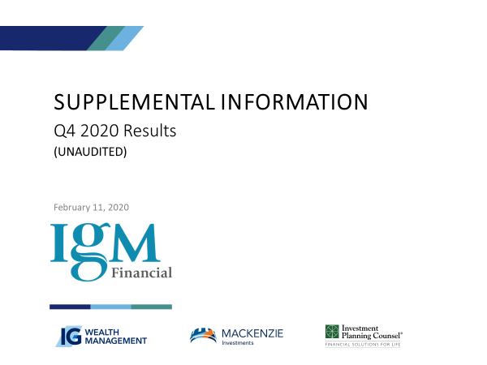

Notes to Users
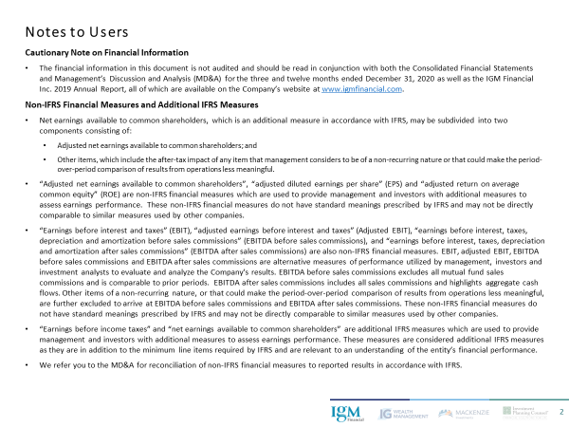

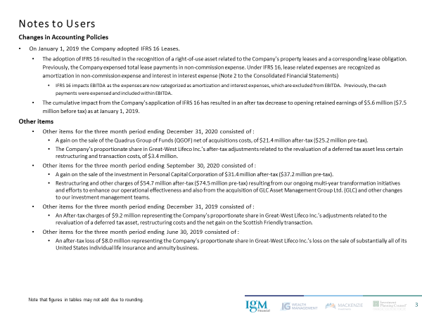

IGM Earnings 4
Consolidated Statements of Earnings and Other Information
All figures 000’s, unless otherwise noted
 |  | Year | 2018 | 2019 | 2019 | 2019 | 2019 | 2020 | 2020 | 2020 | 2020
 |  | Quarter | 4 | 1 | 2 | 3 | 4 | 1 | 2 | 3 | 4
Consolidated Statements of Earnings
 | Revenues (1)
 |  | Wealth management | 557,071 | 553,260 | 577,576 | 581,100 | 587,112 | 562,733 | 531,066 | 571,640 | 594,137

 |  | Asset management | 191,458 | 189,177 | 198,482 | 201,232 | 203,436 | 198,442 | 190,757 | 207,412 | 216,320
 |  | Dealer compensation expenses | (65,909) | (68,655) | (69,598) | (69,006) | (69,816) | (71,381) | (66,096) | (71,366) | (74,320)
 |  | Net asset management | 125,549 | 120,522 | 128,884 | 132,226 | 133,620 | 127,061 | 124,661 | 136,046 | 142,000

 |  | Net investment income and other | 5,722 | 11,264 | 4,802 | 2,043 | 6,716 | (1,899) | 7,502 | 2,269 | 3,105
 |  | Proportionate share of associates' earnings | 34,602 | 32,650 | 28,264 | 28,902 | 32,609 | 20,045 | 43,379 | 43,434 | 40,171
 |  |  | 722,944 | 717,696 | 739,526 | 744,271 | 760,057 | 707,940 | 706,608 | 753,389 | 779,413

 | Expenses (1)
 |  | Advisory and business development | 273,813 | 270,313 | 267,607 | 257,127 | 270,974 | 259,114 | 245,419 | 252,529 | 283,084
 |  | Operations and support | 182,943 | 191,655 | 178,556 | 180,326 | 182,508 | 195,107 | 185,417 | 181,901 | 188,949
 |  | Sub-advisory | 16,058 | 15,752 | 16,959 | 17,369 | 18,152 | 17,502 | 16,899 | 18,518 | 18,294
 |  |  | 472,814 | 477,720 | 463,122 | 454,822 | 471,634 | 471,723 | 447,735 | 452,948 | 490,327

 | Adjusted earnings before interest and taxes |  | 250,130 | 239,976 | 276,404 | 289,449 | 288,423 | 236,217 | 258,873 | 300,441 | 289,086

 |  | Interest | 24,122 | 25,216 | 27,648 | 27,764 | 27,758 | 27,307 | 27,470 | 27,911 | 27,909

 | Adjusted earnings before income taxes |  | 226,008 | 214,760 | 248,756 | 261,685 | 260,665 | 208,910 | 231,403 | 272,530 | 261,177
 | Income taxes |  | 43,874 | 45,044 | 55,632 | 59,208 | 59,835 | 48,034 | 47,861 | 58,363 | 56,676
 | Adjusted net earnings |  | 182,134 | 169,716 | 193,124 | 202,477 | 200,830 | 160,876 | 183,542 | 214,167 | 204,501

 | Non-controlling interest |  | - | - | - | - | - | - | - | - | (198)
 | Perpetual preferred share dividends |  | (2,212) | (2,213) | - | - | - | - | - | - | -
 | Adjusted net earnings available to common shareholders |  | 179,922 | 167,503 | 193,124 | 202,477 | 200,830 | 160,876 | 183,542 | 214,167 | 204,303

 | Other items (2) |  | - | - | (8,000) | - | (9,200) | - | - | (23,254) | 24,774

 | Net earnings available to common shareholders |  | 179,922 | 167,503 | 185,124 | 202,477 | 191,630 | 160,876 | 183,542 | 190,913 | 229,077

 | Average number of common shares
 |  | Basic | 240,861 | 240,941 | 238,968 | 238,266 | 238,282 | 238,302 | 238,308 | 238,308 | 238,308
 |  | Diluted | 240,888 | 240,941 | 239,060 | 238,371 | 238,489 | 238,316 | 238,308 | 238,308 | 238,308

 | Adjusted net earnings per common share (in cents)
 |  | Basic | 75 | 70 | 81 | 85 | 84 | 68 | 77 | 90 | 86
 |  | Diluted | 75 | 70 | 81 | 85 | 84 | 68 | 77 | 90 | 86

 | Net earnings per common share (in cents)
 |  | Basic | 75 | 70 | 77 | 85 | 80 | 68 | 77 | 80 | 96
 |  | Diluted | 75 | 70 | 77 | 85 | 80 | 68 | 77 | 80 | 96

 | Dividends per common share (in cents) |  | 56.25 | 56.25 | 56.25 | 56.25 | 56.25 | 56.25 | 56.25 | 56.25 | 56.25

Common shares outstanding

 | Opening balance |  | 240,835 | 240,885 | 240,758 | 238,266 | 238,268 | 238,294 | 238,308 | 238,308 | 238,308
 | Issued under Stock Option Plan |  | 50 | 139 | 5 | 2 | 26 | 14 | - | - | -
 | Purchased for cancellation |  | - | (266) | (2,497) | - | - | - | - | - | -
 | Ending balance |  | 240,885 | 240,758 | 238,266 | 238,268 | 238,294 | 238,308 | 238,308 | 238,308 | 238,308

Stock options

 | Outstanding |  | 9,702 | 10,975 | 10,765 | 10,654 | 10,529 | 11,673 | 11,450 | 11,940 | 11,930
 | Weighted average strike price ($) |  | 42.27 | 41.35 | 41.24 | 41.24 | 41.22 | 40.84 | 40.84 | 40.36 | 40.37

1. Revenue and expenses are net of intersegment eliminations.
2. Please see slide 3 for details of Other Items.

IGM Metrics 6
Consolidated Operating Metrics
All figures millions
 |  | Year | 2018 | 2019 | 2019 | 2019 | 2019 | 2020 | 2020 | 2020 | 2020
 |  | Quarter | 4 | 1 | 2 | 3 | 4 | 1 | 2 | 3 | 4

Assets under management & advisement (end of period)
 | By Segment
 |  | IG Wealth AUA | 86,422 | 93,013 | 93,858 | 94,529 | 97,100 | 85,834 | 93,836 | 97,538 | 103,273
 |  | IPC AUA | 25,706 | 27,064 | 27,181 | 27,176 | 27,728 | 24,372 | 26,637 | 27,484 | 29,318
 |  | Wealth Management AUA (1) | 112,121 | 120,069 | 121,031 | 121,697 | 124,820 | 110,199 | 120,467 | 125,015 | 132,583

 |  | Asset Management AUM (ex sub-advisory to Wealth Management) (2) | 60,804 | 65,630 | 66,756 | 66,392 | 68,257 | 60,898 | 70,821 | 74,600 | 110,938
 |  | Sub-advisory to Wealth Management | 69,929 | 73,577 | 73,261 | 72,565 | 73,575 | 65,103 | 70,135 | 72,660 | 75,821
 |  | Asset Management AUM | 130,733 | 139,207 | 140,017 | 138,957 | 141,832 | 126,001 | 140,956 | 147,260 | 186,759

 |  | Asset Management through Wealth Management | (72,637) | (76,462) | (76,169) | (75,505) | (76,617) | (67,844) | (73,163) | (75,855) | (79,392)
 |  | Consolidated assets under management & advisement | 170,216 | 182,814 | 184,879 | 185,149 | 190,035 | 168,356 | 188,260 | 196,420 | 239,950

 | By Product
 |  | Mutual fund AUM (2) | 141,670 | 152,531 | 154,436 | 155,419 | 159,391 | 140,887 | 154,706 | 161,612 | 158,495
 |  | ETF AUM (3) | 1,613 | 1,804 | 1,865 | 2,159 | 2,372 | 2,335 | 3,132 | 3,330 | 3,788
 |  | Investment Fund AUM | 143,283 | 154,335 | 156,301 | 157,578 | 161,763 | 143,222 | 157,838 | 164,942 | 162,283
 |  | Institutional SMA (2) | 5,783 | 6,132 | 6,027 | 4,958 | 5,046 | 4,275 | 7,557 | 7,671 | 51,688
 |  | Consolidated AUM | 149,066 | 160,467 | 162,328 | 162,536 | 166,809 | 147,497 | 165,395 | 172,613 | 213,971
 |  | Other AUA | 21,150 | 22,347 | 22,551 | 22,613 | 23,226 | 20,859 | 22,865 | 23,807 | 25,979
 |  | Consolidated assets under management & advisement | 170,216 | 182,814 | 184,879 | 185,149 | 190,035 | 168,356 | 188,260 | 196,420 | 239,950
 |  | Consolidated AUM, excluding Asset Management segment AUM | 18,333 | 21,260 | 22,311 | 23,579 | 24,977 | 21,496 | 24,439 | 25,353 | 27,212

Assets under management & advisement (average during period)
 | By Segment
 |  | IG Wealth AUA | 88,433 | 90,473 | 93,808 | 94,058 | 95,780 | 94,923 | 91,156 | 97,045 | 100,295
 |  | IPC AUA | 26,613 | 26,590 | 27,132 | 27,198 | 27,407 | 26,934 | 25,934 | 27,288 | 28,054
 |  | Wealth Management AUA (1) | 115,038 | 117,055 | 120,933 | 121,248 | 123,180 | 121,850 | 117,084 | 124,327 | 128,342

 |  | Asset Management AUM (ex sub-advisory to Wealth Management) | 62,572 | 63,557 | 66,195 | 66,333 | 67,217 | 67,136 | 67,304 | 73,698 | 77,186
...
 | By Product
 |  | Mutual fund AUM | 145,344 | 148,211 | 153,902 | 154,797 | 157,267 | 156,006 | 150,000
 |  | ETF AUM (3) | 1,648 | 1,695 | 1,827 | 2,045 | 2,264 | 2,501 | 2,578
 |  | Investment Fund AUM | 146,992 | 149,906 | 155,729 | 156,842 | 159,531 | 158,507 | 152,578
 |  | Institutional SMA | 5,987 | 5,949 | 6,064 | 5,227 | 5,001 | 4,774 | 6,637
 |  | Consolidated AUM | 152,978 | 155,855 | 161,793 | 162,069 | 164,532 | 163,281 | 159,215
 |  | Other AUA | 21,826 | 21,942 | 22,443 | 22,586 | 22,870 | 22,720 | 22,243
 |  | Consolidated assets under management & advisement | 174,804 | 177,797 | 184,236 | 184,655 | 187,402 | 186,001 | 181,458
 |  | Consolidated AUM, excluding Asset Management segment AUM | 18,452 | 20,126 | 22,012 | 22,850 | 24,296 | 24,738 | 23,597

Assets under management recorded within both operating companies’ results are eliminated on consolidation.
The fourth quarter of 2020 reflects the impact of net business acquisitions of $30.3 billion, which included the acquisitions of GLC Asset Management Group Ltd. (GLC) and Greenchip Financial Corporation (Greenchip), and the divestiture of the fund management contracts relating to private label Quadrus Group of Funds (QGOF). As a result, mutual fund AUM decreased by $13.2 billion and institutional SMA increased by $43.5 billion.
Excludes ETFs held by IGM mutual funds.

IGM Metrics 7
...
By Product
 |  | Consolidated net flows | (450) | 65 | (606) | (1,116) | (7) | 821 | 3,649

 | Net acquisitions
 |  | Mutual funds
 |  | Divestiture of Quadrus Group of Funds | - | - | - | - | - | - | -
 |  | Acquisition of Greenchip | - | - | - | - | - | - | -
 |  | Institutional SMA
 |  | Acquisition of GLC | - | - | - | - | - | - | -
 |  |  | - | - | - | - | - | - | -

Assets under management recorded within both operating companies’ results are eliminated on consolidation.
Does not include net sales relating to sub-advisory mandates to Wealth Management segment.
Excludes ETFs held by IGM mutual funds.

IGM BS 8
...
 | Capital assets | 138,647 | 233,678 | 226,684 | 223,800 | 216,956 | 210,082 | 223,713 | 247,815 | 329,690
Shareholders' equity
 | Perpetual preferred shares | 150,000 | 150,000 | - | - | - | - | - | - | -
 | Common shares | 1,611,263 | 1,613,388 | 1,596,818 | 1,596,910 | 1,597,860 | 1,598,381 | 1,598,381 | 1,598,381 | 1,598,381
 | Contributed surplus | 45,536 | 46,247 | 47,099 | 47,869 | 48,677 | 49,467 | 50,116 | 50,849 | 51,663
 | Retained earnings | 2,840,566 | 2,800,659 | 2,853,818 | 2,922,389 | 2,980,260 | 3,005,561 | 3,053,846 | 3,111,033 | 3,207,469
 | Accumulated other comprehensive income (loss) | (45,798) | (71,717) | (101,001) | (141,146) | (127,702) | (11,788) | (69,971) | 156,965 | 136,364
 | Non-controlling interest | - | - | - | - | - | - | - | - | 48,913
 |  | 4,601,567 | 4,538,577 | 4,396,734 | 4,426,022 | 4,499,095 | 4,641,621 | 4,632,372 | 4,917,228 | 5,042,790
 |  | 15,608,714 | 15,970,222 | 15,706,073 | 15,574,403 | 15,391,476 | 15,552,526 | 15,449,144 | 15,863,131 | 16,062,354

In Q3 2020, the Company sold its equity interest in Personal Capital Corporation to a subsidiary of Great-West Lifeco Inc. (Lifeco), Empower Retirement, for proceeds of $232.8 million (USD $176.2 million) and up to an additional USD $24.6 million in consideration subject to Personal Capital achieving certain target growth objectives. As a result of the sale, the Company has derecognized its investment in Personal Capital and recorded an accounting gain of $37.2 million ($31.4 million net of tax).
On October 28, 2020, the Company’s subsidiary, Mackenzie, together with Great-West Lifeco Inc. (Lifeco), acquired a 70% economic interest and 49.9% non-controlling voting interest in Northleaf Capital Group Ltd. (Northleaf) through an acquisition vehicle 80% owned by Mackenzie and 20% owned by Lifeco.

WM Earnings 10
...
 |  | Capitalized sales-based commissions paid | (13,218) | (12,550) | (14,828) | (16,268) | (23,563) | (32,982) | (23,409) | (25,093) | (36,168)
 | EBITDA after sales commissions |  | 165,404 | 165,326 | 194,288 | 205,247 | 200,774 | 157,877 | 161,023 | 189,240 | 180,782

Additional information - IFRS 16

 | Amortization of capital, intangible and other assets
 |  | Amortization of right-of-use assets |  | 4,664 | 4,708 | 4,893 | 4,950 | 5,134 | 4,908 | 5,348 | 5,260
 |  | Other amortization |  | 11,818 | 11,429 | 11,562 | 11,546 | 11,508 | 11,753 | 12,479 | 12,378
 |  | Total |  | 16,482 | 16,137 | 16,455 | 16,496 | 16,642 | 16,661 | 17,827 | 17,638

Represents business development activities which do not vary directly with asset or sales levels, such as direct marketing and advertising, financial planning specialist support, wholesaling and other costs incurred to support our adviser networks.

IGWM Earnings 12
...
 |  | Capitalized sales-based commissions paid | (13,218) | (12,550) | (14,828) | (16,268) | (23,563) | (32,982) | (23,409) | (25,093) | (36,168)
 | EBITDA after sales commissions |  | 157,999 | 156,128 | 185,117 | 195,414 | 191,621 | 149,205 | 153,069 | 180,633 | 171,166

Additional information - IFRS 16
 | Amortization of capital, intangible and other assets
 |  | Amortization of right-of-use assets |  | 4,331 | 4,376 | 4,561 | 4,617 | 4,802 | 4,581 | 5,034 | 4,937
 |  | Other amortization |  | 8,830 | 8,592 | 8,600 | 8,568 | 8,549 | 8,785 | 9,495 | 9,346
 |  | Total |  | 13,161 | 12,968 | 13,161 | 13,185 | 13,351 | 13,366 | 14,529 | 14,283

Represents business development activities which do not vary directly with asset or sales levels, such as direct marketing and advertising, financial planning specialist support, wholesaling and other costs incurred to support our adviser networks.

IGWM Metrics 13
...
Mortgage and banking ($ millions)
 | Mortgages serviced
 | IG mortgages (1) | 10,325 | 10,185 | 10,026 | 9,833 | 9,600 | 9,420 | 9,243 | 8,983 | 8,544
 | Solution Banking mortgages | 389 | 442 | 542 | 626 | 717 | 757 | 799 | 839 | 908
 | Mortgages fundings
 | IG mortgages (1) | 240 | 146 | 231 | 269 | 192 | 136 | 256 | 263 | 204
 | Solutions Banking mortgages | 66 | 57 | 110 | 87 | 100 | 51 | 61 | 55 | 93

 | Other Solutions Banking products | 3,744 | 3,765 | 3,749 | 3,763 | 3,830 | 3,923 | 3,997 | 4,067 | 4,241

Mortgages funded by IG Wealth Management.

IPC Earnings 14
...
 |  | Sales-based compensation - expensed as paid | (109) | (148) | (66) | (88) | (2) | - | - | - | -
 | EBITDA after sales commissions |  | 7,405 | 9,198 | 9,171 | 9,833 | 9,153 | 8,672 | 7,954 | 8,607 | 9,616

Additional information - IFRS 16
 | Amortization of capital, intangible and other assets
 |  | Amortization of right-of-use assets |  | 333 | 332 | 332 | 333 | 332 | 327 | 314 | 323
 |  | Other amortization |  | 2,988 | 2,837 | 2,962 | 2,978 | 2,959 | 2,968 | 2,984 | 3,032
 |  | Total |  | 3,321 | 3,169 | 3,294 | 3,311 | 3,291 | 3,295 | 3,298 | 3,355

Represents business development activities which do not vary directly with asset or sales levels, such as direct marketing and advertising, financial planning specialist support, wholesaling and other costs incurred to support our adviser networks.

AM Metrics 17
...
Sub-advisory to Wealth Management
 | Ending assets | 69,929 | 73,577 | 73,261 | 72,565 | 73,575 | 65,103
 | Average assets | 71,954 | 72,172 | 73,586 | 72,886 | 73,019 | 71,407
 | % of Wealth Management AUM (end of period) | 79.2% | 77.6% | 76.7% | 75.5% | 74.7% | 75.2%

Consolidated
 | Ending assets | 130,733 | 139,207 | 140,017 | 138,957 | 141,832 | 126,001
 | Average assets | 134,526 | 135,729 | 139,781 | 139,219 | 140,236 | 138,543

Investment funds exclude ETFs held by IG and IPC investment funds.

SI Earnings 19
...
Personal Capital Corporation (4)
 | Assets under management ($USD millions) | 7,807 | 9,215 | 10,151 | 10,809 | 12,275 | 10,667 | 12,659
 | Tracked Account Value ($USD billions) | 637 | 703 | 748 | 784 | 841 | 847 | 923

Great-West Lifeco ($millions)
 | Carrying value | 968 | 1,000 | 910 | 899 | 897 | 907 | 958 | 943 | 962
 | Fair Value | 1,119 | 1,286 | 1,126 | 1,187 | 1,242 | 908 | 888 | 971 | 1,133

Unallocated capital ($millions) |  | 222 | 402 | 244 | 297 | 321 | 334 | 376 | 580 | 241

On October 28, 2020, the Company’s subsidiary, Mackenzie, together with Great-West Lifeco Inc. (Lifeco), acquired a 70% economic interest and 49.9% non-controlling voting interest in Northleaf Capital Group Ltd. (Northleaf) through an acquisition vehicle 80% owned by Mackenzie and 20% owned by Lifeco. IGM’s proportionate share of Northleaf’s earnings net of Lifeco’s share was $792.
Assets under management excludes China Asset Management Co., Ltd subsidiary assets under management.
Wealthsimple’s announcement in Q3 2020 of an equity financing round of $114 million increased the Company’s fair value of its aggregate investment by $298 million to $550 million.
In Q3 2020, the Company sold its equity interest in Personal Capital to a subsidiary of Lifeco, Empower Retirement,
for proceeds of $232.8 million (USD $176.2 million) and up to an additional USD $24.6 million in consideration subject
to Personal Capital achieving certain target growth objectives. As a result of the sale, the Company has derecognized
its investment in Personal Capital and recorded an accounting gain of $37.2 million ($31.4 million net of tax).

IGWM Mth Metrics 20
...
Long Term Mutual fund assets under management
 | Opening assets | 90,161 | 90,411 | 92,369 | 92,567 | 93,487 | 89,796
 | Gross sales | 703 | 693 | 772 | 784 | 976 | 848
 | Redemptions | 778 | 814 | 765 | 839 | 761 | 988
 | Net sales | (75) | (121) | 7 | (55) | 215 | (140)
 | Net transfers from / (to) short term funds | (13) | (2) | (21) | (24) | (31) | (240)
 | Investment returns | 338 | 2,081 | 212 | 999 | (3,875) | (8,336)
 | Ending assets | 90,411 | 92,369 | 92,567 | 93,487 | 89,796 | 81,080

Includes separately managed accounts.

IPC Mth Metrics 22
...
Long Term Mutual fund assets under management
 | Opening assets | 5,346 | 5,349 | 5,437 | 5,373 | 5,407 | 5,182
 | Gross sales | 44 | 54 | 45 | 64 | 71 | 55
 | Redemptions | 85 | 77 | 97 | 95 | 84 | 91
 | Net sales | (41) | (23) | (52) | (31) | (13) | (36)
 | Net transfers from / (to) short term funds | 1 | 1 | 1 | 1 | (2) | (6)
 | Investment returns | 43 | 110 | (13) | 64 | (210) | (466)
 | Ending assets | 5,349 | 5,437 | 5,373 | 5,407 | 5,182 | 4,674

Includes separately managed accounts.

Glossary
